PVC Calculator
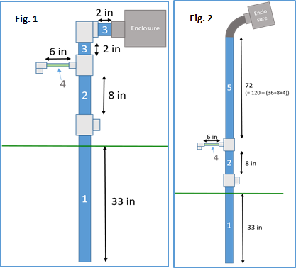
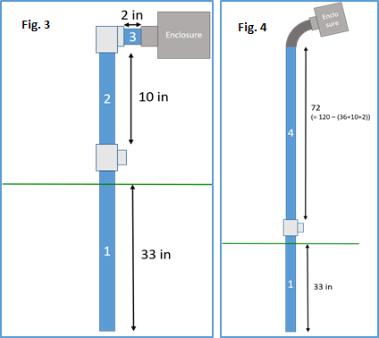
COVER CROP |  |  |  |  | BARE
 | PVC Pieces per CC Node (Figs. 1 & 2)
 | Number | Diameter | Length (in.) | Quantity
 | 1 | 1.25 | 36 | 1
 | 2 | 1.25 | 8 | 1
 | 3 | 1.25 | 2 | 2
 | 4 | 0.5 | 6 | 1
 | 5 | 1.25 | 72 | 1

 | PVC Pieces per B Node (Figs. 3 & 4)
 | Number | Diameter | Length (in.) | Quantity
 | 1 | 1.25 | 36 | 1
 | 2 | 1.25 | 10 | 1
 | 3 | 1.25 | 2 | 2
 | 4 | 1.25 | 72 | 1

 | Number of CC Nodes: |  | 7

 | Number of B Nodes: |  | 7

 | Total 10' pieces of 1-1/4" pipe: |  |  | 14
 | Total 10' pieces of 1/2" pipe: |  |  | 1
 | 1-1/4" Tees: |  |  | 14
 | 1-1/4" Elbows: |  |  | 14
 | PVC reducing tees (1-1/4" to 1/2") |  |  | 7
 | Threaded 1/2" PVC elbows |  |  | 7

